Map of Assignment
 |  | Vertices of your letter
 |  | 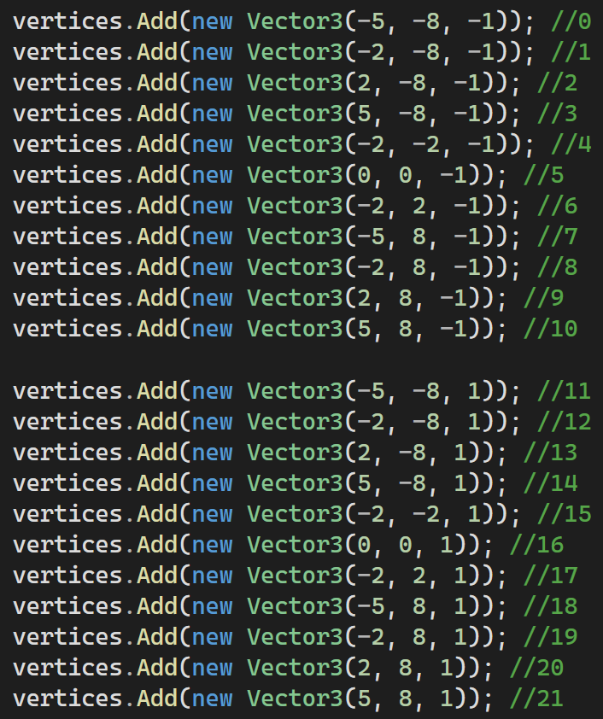

 |  | Rotation Matrix

 |  | Image after Rotation
 |  | 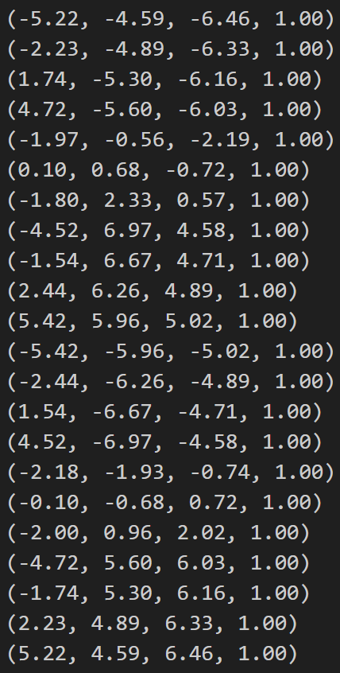

 |  | Scale Matrix |  | Single Matrix of transformations
 |  | 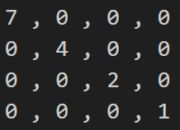

 |  | Image after Scale
 |  | 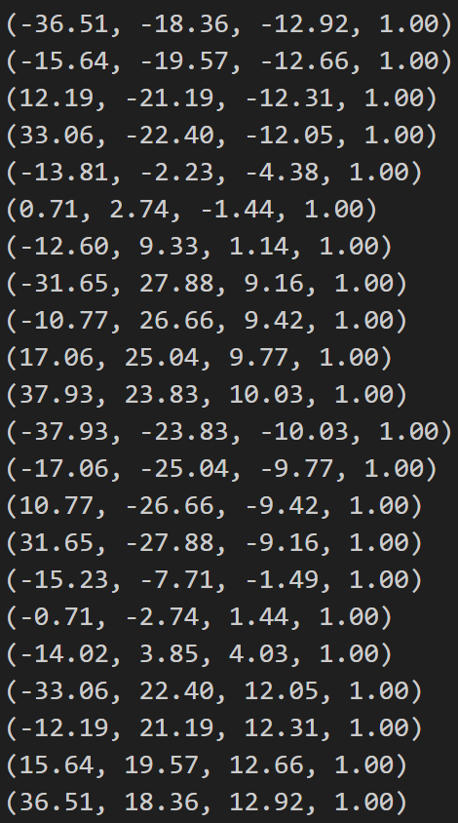

 |  | Translation Matrix
 |  | 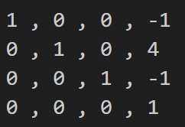

 |  | Image after translation | = | Image after transformations
 |  | 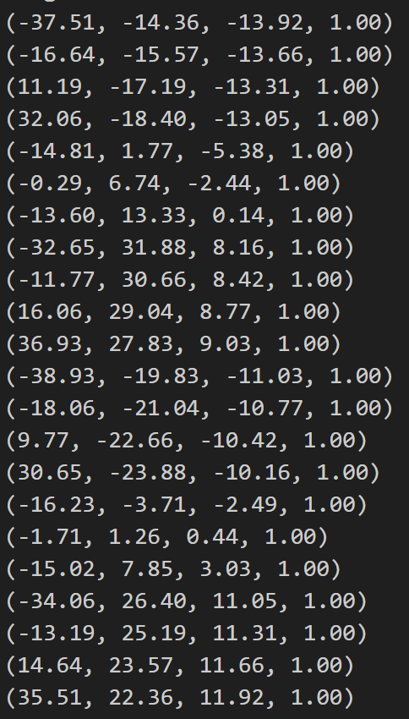 |  | 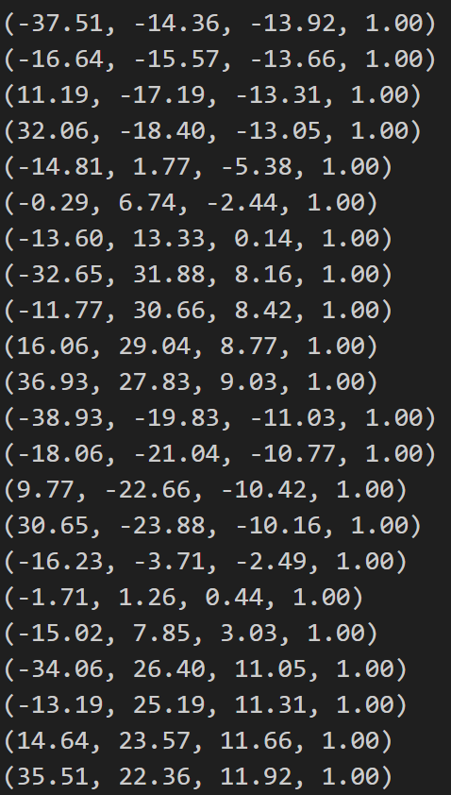

 |  | Viewing Matrix |  |  | Single Matrix for everything

 |  | Image after Viewing Matrix
 |  | 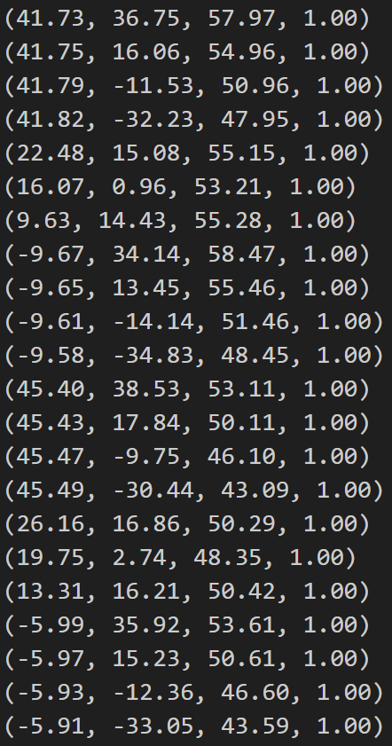

Projection by hand i.e. division |  | Projection matrix
1 0 0 0 0 1 0 0 0 0 1 0 0 0 -1 0 |  | 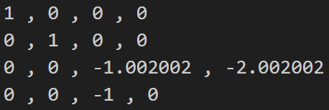

Final Image | = | Final Image | Should be equal (ish) :-) |  | Final Image
41.73, 36.75, -60.09, -57.97 41.75, 16.06, -57.08, -54.96 41.79, -11.53, -53.06, -50.96 41.82, -32.23, -50.05, -47.95 22.48, 15.08, -57.26, -55.15 16.07, 0.96, -55.32, -53.21 9.63, 14.43, -57.39, -55.28 -9.67, 34.14, -60.59, -58.47 -9.65, 13.45, -57.58, -55.46 -9.61, -14.14, -53.56, -51.46 -9.58, -34.83, -50.55, -48.45 45.40, 38.53, -55.22, -53.11 45.43, 17.84, -52.21, -50.11 45.47, -9.75, -48.19, -46.10 45.49, -30.44, -45.18, -43.09 26.16, 16.86, -52.40, -50.29 19.75, 2.74, -50.45, -48.35 13.31, 16.21, -52.52, -50.42 -5.99, 35.92, -55.72, -53.61 -5.97, 15.23, -52.71, -50.61 -5.93, -12.36, -48.69, -46.60 -5.91, -33.05, -45.68, -43.59 |  | 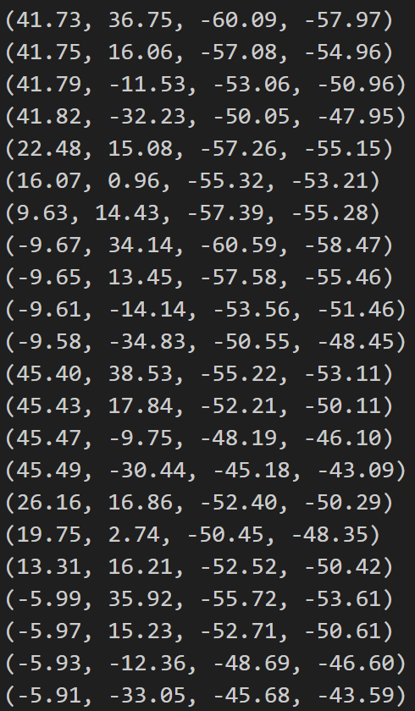 |  |  | 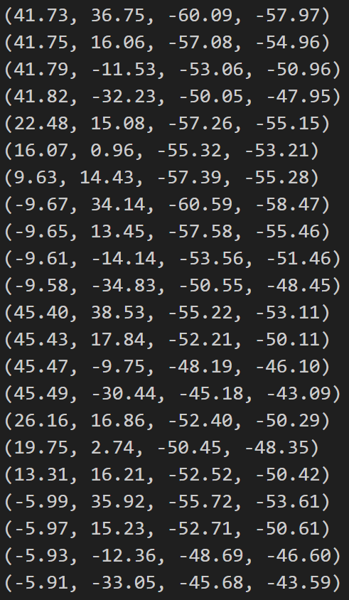

 |  | Final Image on graph paper, or excell chart
-0.71985509746 | -0.6339485941
-0.759643377 | -0.2922125182
-0.82005494505 | 0.22625588697
-0.87215849844 | 0.67215849844
-0.40761559383 | -0.27343608341
-0.30201090021 | -0.018041721481
-0.1742040521 | -0.26103473227
0.16538395759 | -0.58388917394
0.17399927876 | -0.24251712946
0.18674698795 | 0.27477652546
0.19772961816 | 0.71888544892
-0.85482959895 | -0.72547542836
-0.90660546797 | -0.35601676312
-0.9863340564 | 0.2114967462
-1.0556973776 | 0.70642840566
-0.52018293895 | -0.335255518
-0.40847983454 | -0.056670113754
-0.26398254661 | -0.321499405
0.11173288566 | -0.67002424921
0.1179608773 | -0.30092867022
0.12725321888 | 0.2652360515
0.1355815554 | 0.75820142234

Sheet2
41.73 | 36.75 | -60.09 | -57.97
41.75 | 16.06 | -57.08 | -54.96
41.79 | -11.53 | -53.06 | -50.96
41.82 | -32.23 | -50.05 | -47.95
22.48 | 15.08 | -57.26 | -55.15
16.07 | 0.96 | -55.32 | -53.21
9.63 | 14.43 | -57.39 | -55.28
-9.67 | 34.14 | -60.59 | -58.47
-9.65 | 13.45 | -57.58 | -55.46
-9.61 | -14.14 | -53.56 | -51.46
-9.58 | -34.83 | -50.55 | -48.45
45.4 | 38.53 | -55.22 | -53.11
45.43 | 17.84 | -52.21 | -50.11
45.47 | -9.75 | -48.19 | -46.1
45.49 | -30.44 | -45.18 | -43.09
26.16 | 16.86 | -52.4 | -50.29
19.75 | 2.74 | -50.45 | -48.35
13.31 | 16.21 | -52.52 | -50.42
-5.99 | 35.92 | -55.72 | -53.61
-5.97 | 15.23 | -52.71 | -50.61
-5.93 | -12.36 | -48.69 | -46.6
-5.91 | -33.05 | -45.68 | -43.59

-0.71985509746 | -0.6339485941
-0.759643377 | -0.2922125182
-0.82005494505 | 0.22625588697
-0.87215849844 | 0.67215849844
-0.40761559383 | -0.27343608341
-0.30201090021 | -0.018041721481
-0.1742040521 | -0.26103473227
0.16538395759 | -0.58388917394
0.17399927876 | -0.24251712946
0.18674698795 | 0.27477652546
0.19772961816 | 0.71888544892
-0.85482959895 | -0.72547542836
-0.90660546797 | -0.35601676312
-0.9863340564 | 0.2114967462
-1.0556973776 | 0.70642840566
-0.52018293895 | -0.335255518
-0.40847983454 | -0.056670113754
-0.26398254661 | -0.321499405
0.11173288566 | -0.67002424921
0.1179608773 | -0.30092867022
0.12725321888 | 0.2652360515
0.1355815554 | 0.75820142234

